Installation
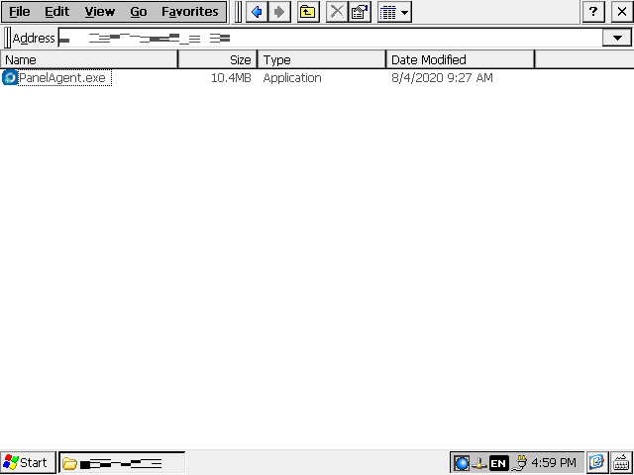
Installation Method for Panel Agent

■ Preconditions

 | Download the latest PanelAgent.exe from the specified storage location and save it on a USB memory.
 | Insert the USB memory into the GX55 and copy PanelAgent.exe to any folder.
 | * Please delete PanelAgent.exe after the installation is completed.

■ Installation

1 | Open the folder in which the installer is located.

2 | Double click to start the installer “PanelAgent.exe”.

 | (Start “PanelAgent” if “Hide file extensions” is enabled by folder option setting of Windows Explorer.)
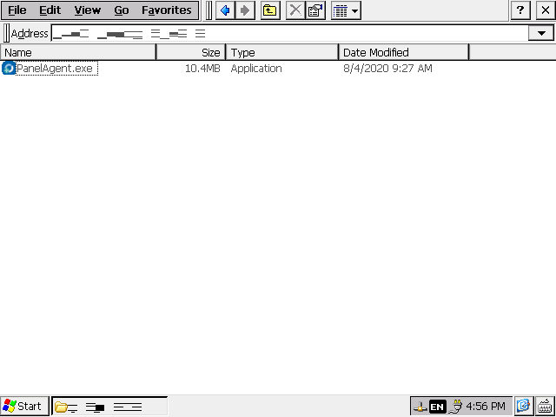

3 | The “Terms of Service” screen is displayed after starting.
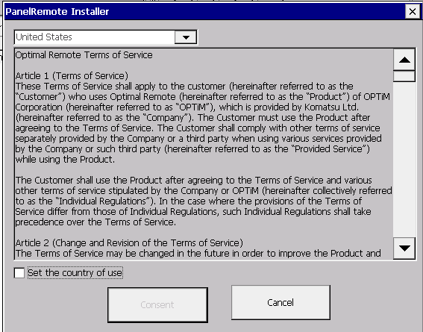

4 | Select and set for the intended country from the User Country List.
 | * The display language remains in English even when “Japan” is selected.
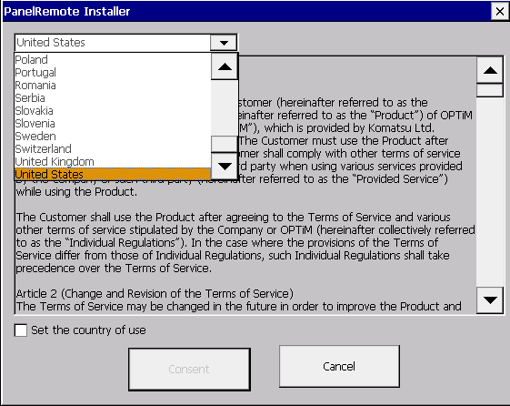

5 | After the user country is set, enter a check mark for “Set the country of use”.


6 | Bring the scroll bar to the bottom while verifying details of the Terms of Service, then press the “Consent” button.
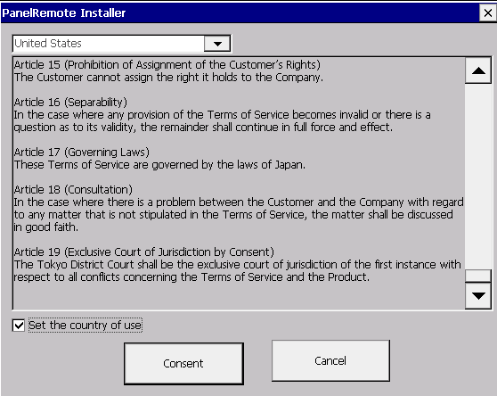

7 | The additional verification for the certificate is displayed on the “Root Certificate Store” screen. Press the “Yes” button.
 | * This screen is not displayed if the certificate is already installed.
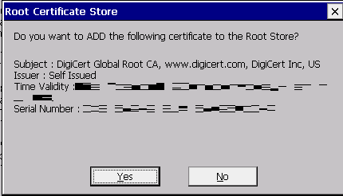

8 | Once the installation is completed, the Constant Monitor button is displayed on the task bar.

Uninstallation
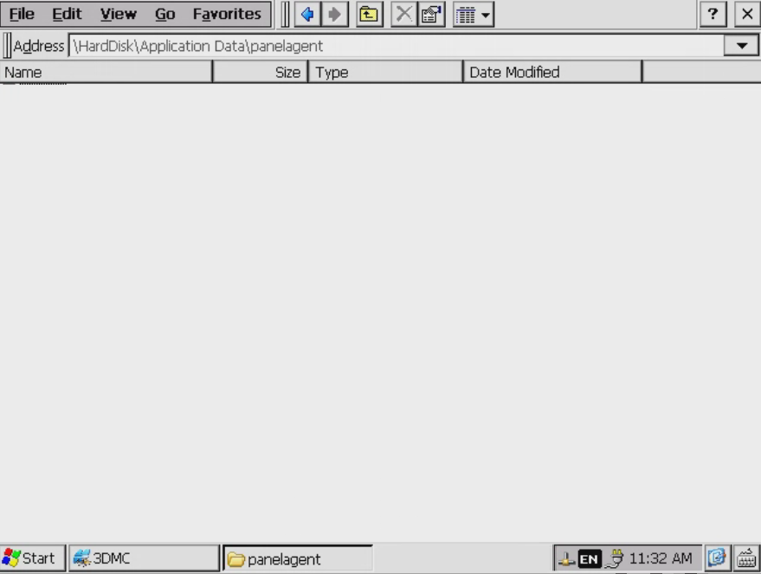
Uninstallation Method for Panel Agent

■ Uninstallation

1 | Open the menu from “Start”, then select “Programs”.

2 | Select “Windows Explorer”.
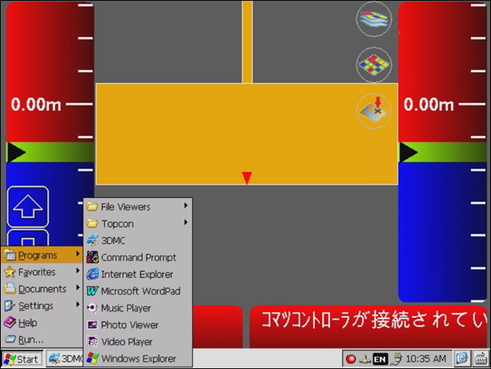

3 | The Windows Explorer opens, and My Device is displayed.
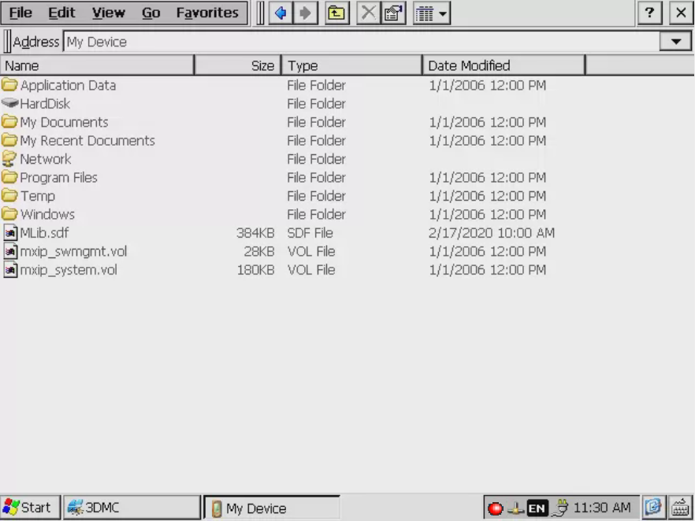

4 | Select “HardDisk”, then move through “HardDisk” → “Application Data” → “panelagent”.
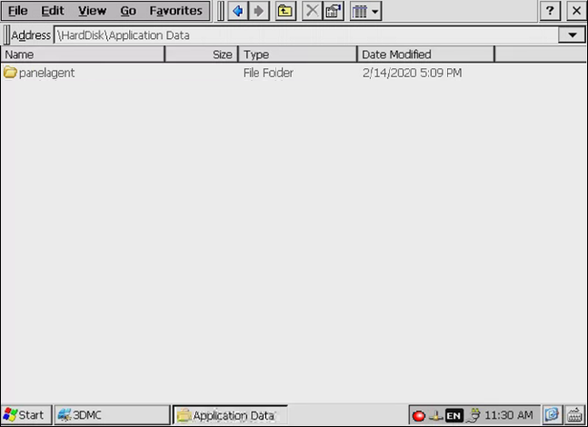

5 | Double click “Uninstall.exe” in the folder of the Panel Agent.
 | (Start “Uninstall” if “Hide file extensions” is enabled by folder option setting of Windows Explorer.)
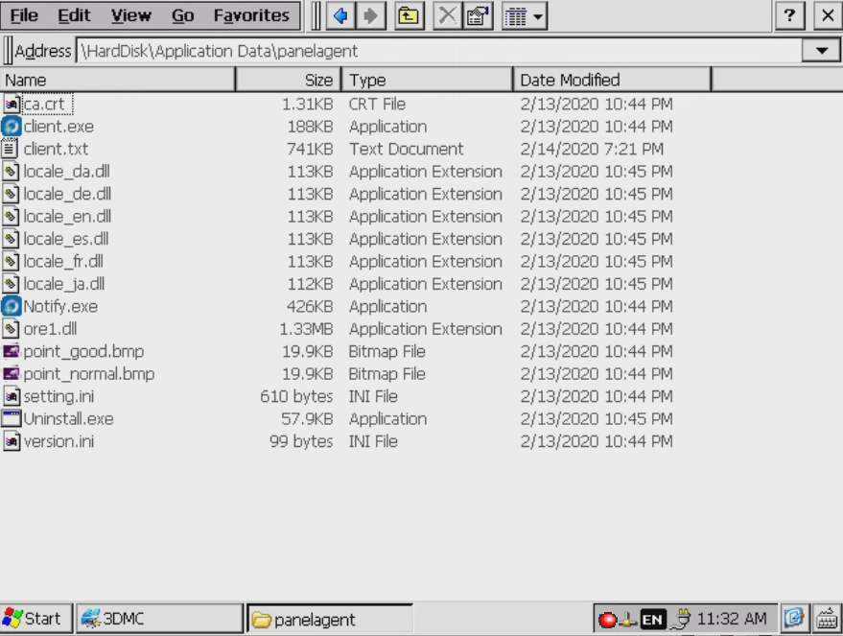

6 | Panel Agent is uninstalled and the Constant Monitor button on the task bar is also deleted.

Verification Method
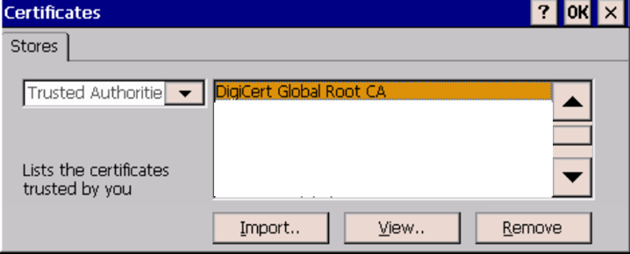
Verification Method for Route Certificate of Server Certificate

■ Verification method

1 | Open the menu from “Start” and open “Control Panel” in “Settings”.
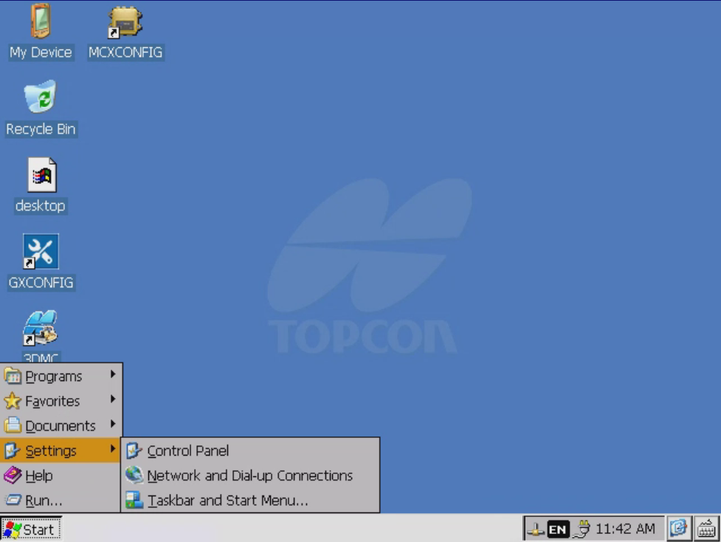

2 | Double click “Certificates” in “Control Panel”.
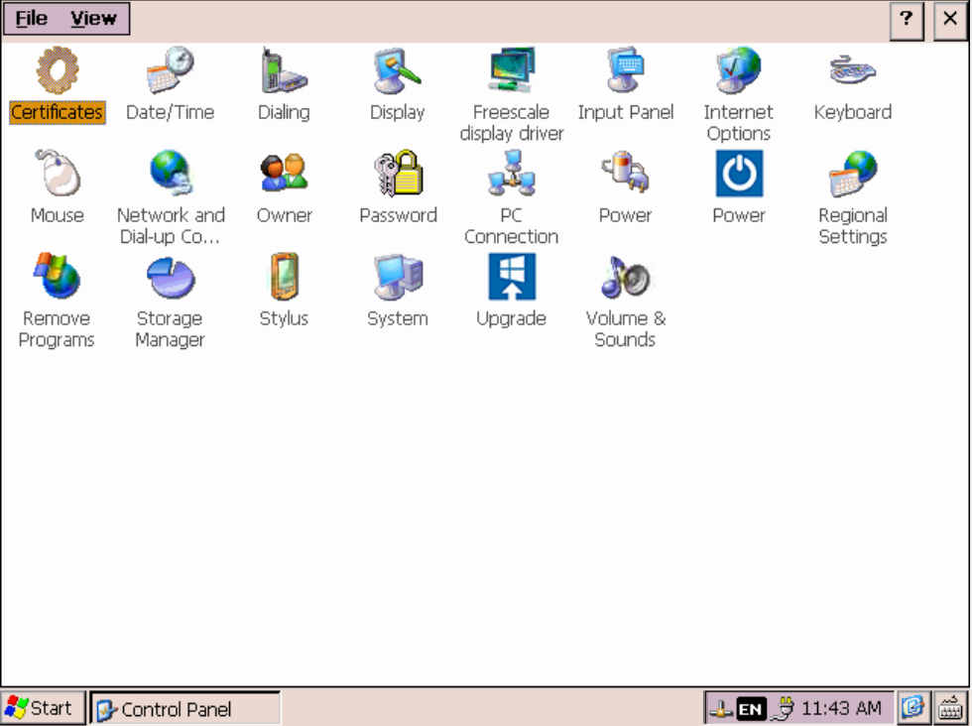

3 | The “Certificates” screen is displayed. Select “Trusted Authorities” and verify that the certificate is installed.
 | * The installed certificate can be verified by pressing the “View” button.
 | Refer to “Panel Agent Installation Manual” (a separate document) for details.

