MAC Address Output
MAC Address Output Method

■ Preconditions

1. The Panel Agent must be started (the Constant Monitor button must be blue).

■ MAC address output

1 | Click the Constant Monitor button and open the menu.

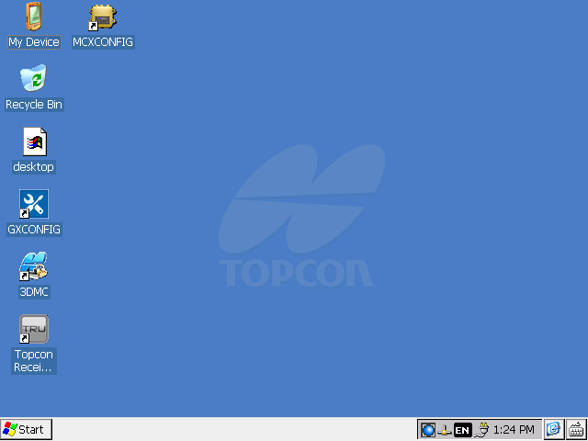

2 | Select “Remote setting” from the menu.

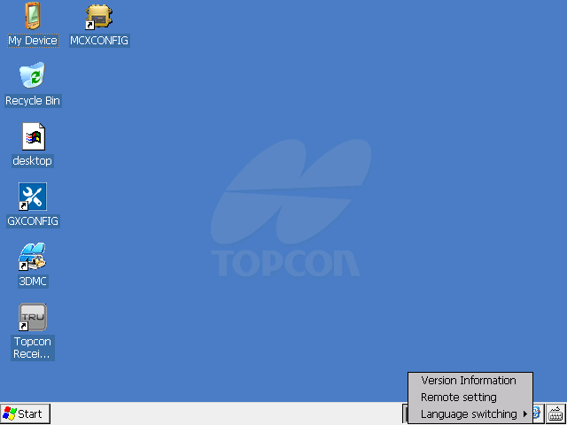

3 | The “Remote setting” screen is displayed.

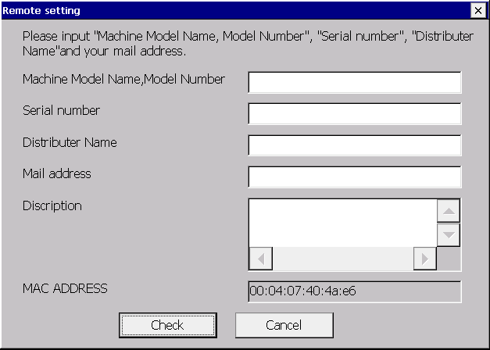

4 | Enter output information, then click “Check”.

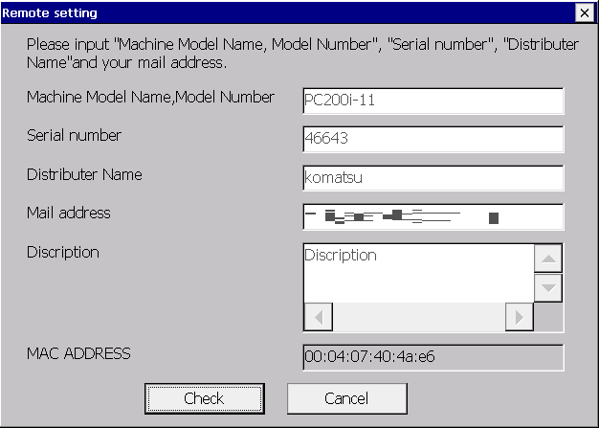

PC200-11

50000

■ Details on respective items of Remote Setting

 | Machine Model Name, Model Number |  |  |  | Model number | Required | Entries possible with single byte alphanumeric characters and symbols (excluding symbols that cannot be used for file names) *1, *2
 | Serial number |  |  |  | Serial No. | Required | Single byte numbers only
 | Distributor Name |  |  |  | Distributor name | Optional | Entries possible with single byte alphanumeric characters, symbols and spaces *1
 | Mail address |  |  |  | Destination email address | Required | Only characters that can be used for email addresses *3, *4
 | Description |  |  |  | Remarks | Optional | Entries possible with single byte alphanumeric characters, symbols, spaces and line feed *1
 | *1 : Following symbols can be used:
 |  | ! " # $ % & ' ( ) * + , - . / : ; < = > ? @ [ \ ] ^ _ ` { | } ~
 | *2 : Entries not possible for “Machine Model Name, Model Number” with following symbols, as they cannot be used for file names:
 |  | \ / : * ? " < > |
 | *3: Characters that can be used for email addresses are shown below:
 |  | Local portion
 |  |  | Only symbols and alphanumeric characters that are shown below, can be used:
 |  |  |  | . ! # $ % & ' * + / = ? ^ _ ` { | } ~ -
 |  |  | These cannot be used, however, in following cases:
 |  |  |  | When the leading character is “.” or “-”.
 |  |  |  | When “.” precedes “@”.
 |  |  |  | When “.” is repeated.
 |  | Domain portion
 |  |  | Only symbols and alphanumeric characters that are shown below, can be used:
 |  |  |  | - .
 |  |  | These cannot be used, however, in following cases:
 |  |  |  | When not even a single “.” is included.
 |  |  |  | When “@”, “-” and “.” are entered in succession.
 | *4: When multiple destination email addresses are specified, they must be separated using commas (,), single byte spaces ( ) or semicolons (;) (separating characters may be mixed or duplicated).
 |  | Example) example1@domain.com, example2@domain.com, ;;; example3@domain.com

5 | Transition to the “Sending confirmation” screen and verify entered information, then click “Send”.

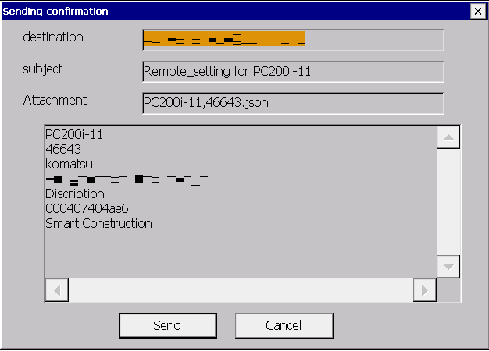

PC200-11

PC200-11,50000.json

PC200-11
50000

6 | The “Sending confirmation” screen closes and an email is sent to deliver entered information to the entered email address.

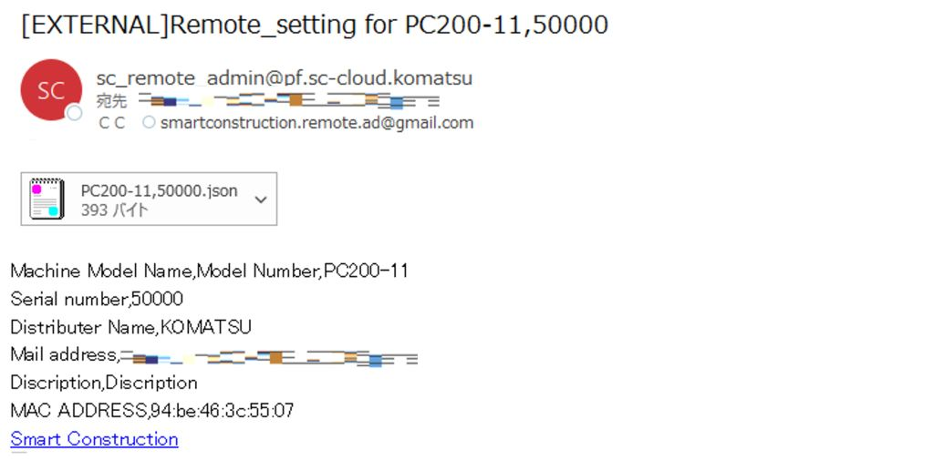

byte

 | * Refer to “Information on Document Attachment Rules for MAC Addresses” for attached file.

